Score Calculation
Instructions: Please mark the producer’s response to each question with an “x” in columns G, H, or I.
Note: GGFSA scoring has been weighted according to the number of Farm Sustainability Assessment (FSA) criteria by SAI Platform reflected in the GGFSA principles and criteria (P&Cs). The weighting is indicated in the grey columns on the right.
GGFSA questions |  |  |  | Yes | No | N/A | Essential | Intermediate | Advanced
1 | The producer ensures that their business is profitable by planning their activities to support its a) long-term economic viability and b) resilience. |  |  |  |  |  |  | 0
2 | The producer avoids cultivation and/or use of invasive species. |  |  |  |  |  |  | 0
3 | The producer a) takes into account the optimum planting density and b) protects seedlings during hardening (where applicable). |  |  |  |  |  |  |  | 0
4 | The producer prevents the use of any plant protection products restricted in applicable international conventions. |  |  |  |  |  |  | 0
5 | The producer protects nontarget areas and nature-protected areas from agricultural use. |  |  |  |  |  |  | 0
6 | The producer monitors all of their sources of greenhouse gas (GHG) emissions. |  |  |  |  |  |  |  | 0
7 | The producer has contractual agreements with the buyer(s) about the a) specification, b) price, c) volume, and d) terms of payment. |  |  |  |  |  |  |  | 0
8 | The producer has measures in place to ensure all workers are a) not discriminated against regardless of their race, religion, disability, gender, or sexual orientation and b) given access to the same opportunities and receive equal pay for similar tasks and abilities. |  |  |  |  |  | 0
9 | The producer informs workers of their legal rights and obligations through working contracts in accordance with national laws. |  |  |  |  |  |  | 0
10 | The producer prohibits the use of any form of forced and/or bonded labor. |  |  |  |  |  | 0
11 | The producer has a policy in place to ensure that workers have a) a fair workload, b) regularly paid wages that meet the minimum required under local and national laws, and c) fair labor conditions such as paid annual leave, paid sick leave, and paid parental leave. |  |  |  |  |  | 0
12 | The producer pays their workers a living wage. |  |  |  |  |  |  |  | 0
13 | The producer encourages workers to have health insurance and compensates them if they become ill during work-related activities. |  |  |  |  |  |  |  | 0
14 | The producer gives all workers the right to establish, join, or actively participate in associations of their choice, including any unions. |  |  |  |  |  | 0
15 | The producer ensures that a) children under 15 years are not employed on their site, b) children between 15 and 18 years of age do not carry out hazardous work on their site, and c) children under 15 years, if living on the site, are sent to school or receive schooling on the site. |  |  |  |  |  | 0
16 | The producer ensures that workers a) are not charged any fees associated with labor provision and b) have a legal right to work. |  |  |  |  |  | 0
17 | The producer ensures that workers who have been injured or are ill do not perform activities that are detrimental to their health and safety or to that of the other workers. |  |  |  |  |  |  | 0
18 | The producer communicates openly with the community in order to inform them of and address any concerns raised by them over their operation. |  |  |  |  |  |  |  | 0
19 | The producer keeps a stock inventory of fixed assets and site inputs. |  |  |  |  |  |  |  | 0
20 | The producer has measures in place to prevent illegal hunting, fishing, and/or extraction of flora and fauna on the site, including rare, threatened, and endangered species. |  |  |  |  |  |  | 0 |  | 0
21 | The producer has measures in place to avoid deliberate use of fire for site clearance purposes. |  |  |  |  |  |  | 0 |  | 0
22 | The producer has an assessment in place for a) site suitability for the operations and b) impact of the operations on the environment and the community. |  |  |  |  |  |  | 0 |  | 0
23 | The producer has measures in place to a) increase soil organic matter and b) minimize soil disturbance. |  |  |  |  |  |  | 0
24 | The producer has a nutrient management plan which ensures the correct a) timing and b) placement of application. |  |  |  |  |  |  | 0 |  | #REF!
25 | The producer has measures in place to reduce reliance on fertilizer inputs. |  |  |  |  |  |  |  | 0 | 0
26 | The producer has measures in place to protect and promote natural habitats, especially protected areas and those adjacent to watercourses. |  |  |  |  |  |  | 0
27 | The producer restores areas of low productivity to natural habitats. |  |  |  |  |  |  |  | 0
28 | The producer has a plan in place to create a healthy ecosystem by protecting and promoting rare, threatened, and endangered species. |  |  |  |  |  |  |  | 0 | 60
 |  |  |  |  |  |  | 0 | 0 | 0

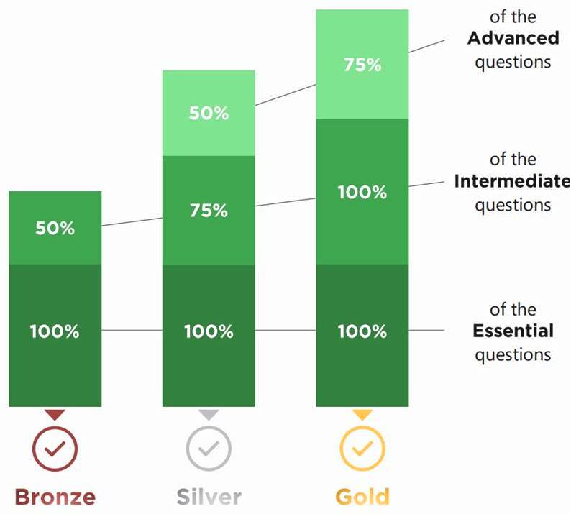

GGFSA add-on score
 | Essential | Intermediate | Advanced
 | 6 | 12 | 10
 | 0% | 0% | 0%

 | FSA performance level |  | Not yet Bronze

